Sheet4 - pending
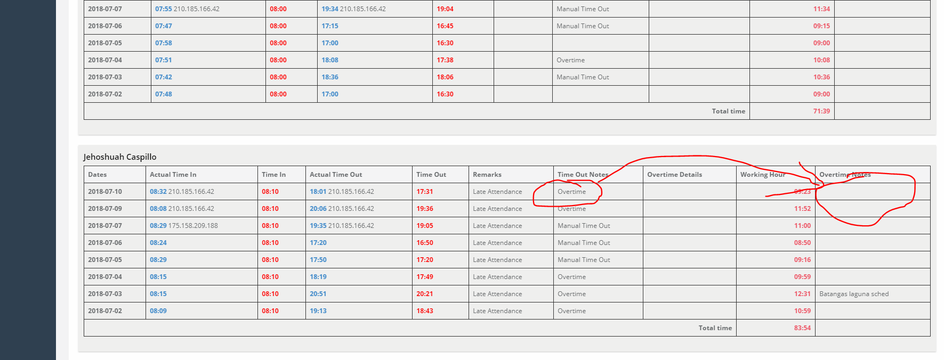
Task1 | When employee time out over time..---> over time data need to be requrired

Sheet7
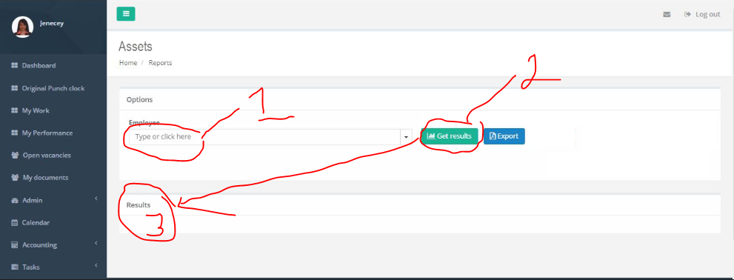
Step 1 | Login as admin
Task 1 | Under Reports ----> Add another menu for "Assets Report"

Task 2 | If "Assets Report" is clicked ----> Get and display data from no1

THIS IS THE DESIRED OUTPUT

NO1 | Dropdown list of Active Employee ---> Use code from PUNCH CLOCK REPORT as reference
NO2 | If clicked ----> Display results on no3
 | Results will be: Employee (field), Assets (field)

